PK data
Species | Route | Dose (mg/kg) | Repeat Dose | Sex | Matrix | Assay | Reference | Administration Protocol
Laying hens | PO | 1 | 1 | female | P,O | HPLC | Souza et al. (2017) Souza, M.J., Bergman, J.B., White, M.S., Gordon, K.I., Gerhardt, L.E., Cox, S.K., 2017. Pharmacokinetics and egg residues after oral administration of a single dose of meloxicam in domestic chickens (Gallus domesticus). Am. J. Vet. Res. 78, 965–968. | At the start of the study, hens were weighed, and a dose of 1 mg of meloxicama/kg was calculated. A blood sample (0.3 mL) was collected from each hen on day 0 immediately before administration of the drug (0 hours) via syringe into the oral cavity distal to the glottis. A blood sample (0.3 mL) was then collected at 10, 20, and 30 minutes and 1, 2, 4, 8, 12, 24, and 48 hours after dose administration. Blood samples were collected from a jugular or basilic vein with an insulin syringe and 29-gauge needle. Eggs laid by the dosed hens were collected for 3 weeks starting on the day of meloxicam administration (day 0). | 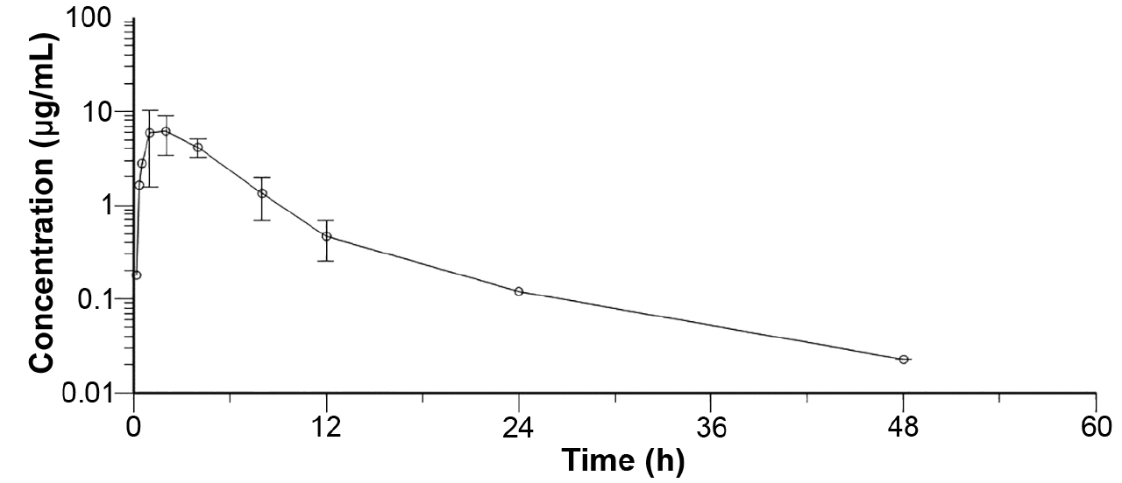

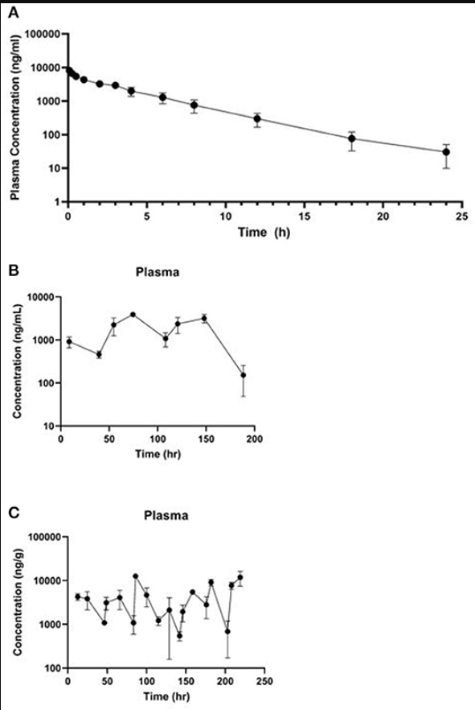
Laying hens | PO | 1 | 8 | female | L, K, M, F, P, O | HPLC | Richards et al. (2022) Richards, E.D., Dutch, R.S., Burmas, N.C., Davis, J.L., Lin, Z., Clapham,M.O., Wetzlich, S. E., Tell, L.A., 2022. Pharmacokinetic parameters and estimating extra-label tissue withdrawal intervals using three approaches and various matrices for domestic laying chickens following meloxicam administration. Front. Vet. Sci. 9, 826367. | 1 mg/kg once daily for eight doses , administered meloxicam suspension (Meloxidyl 1.5 mg/mL, Ceva Animal Health, Lenexa, KS, USA) using 1 mL tuberculin syringes,Blood was collected from all birds at baseline (t = 0) and from a single group at 8.75, 39.5, 54.7, 74.5, 108.25, 120.75, 148, and 188.5 h after the first dose.
Laying hens | PO | 1 | 20 | female | L, K, M, F, P, O | HPLC | Richards et al. (2022) | 1 mg/kg twice daily for 20 doses, administered meloxicam suspension (Meloxidyl 1.5 mg/mL, Ceva Animal Health, Lenexa, KS, USA) using 1 mL tuberculin syringes. Blood was collected from all birds at baseline (t = 0) and from a single group at 12.5, 24.75, 36.5, 49, 66, 83.5, 86, 100, 115, 129, 142, 146, 158.5, 176, 182, 203, 204, and 219 h
Laying hens | IV | 1 | 1 | female | L, K, M, F, P, O | HPLC | Richards et al. (2022) | Hens were administered a single intravenous bolus dose (1 mg/kg) of meloxicam (meloxicam 5 mg/ml solution for injection, Dechra, Overland Park, KS, USA) using 1 mL tuberculin syringes.

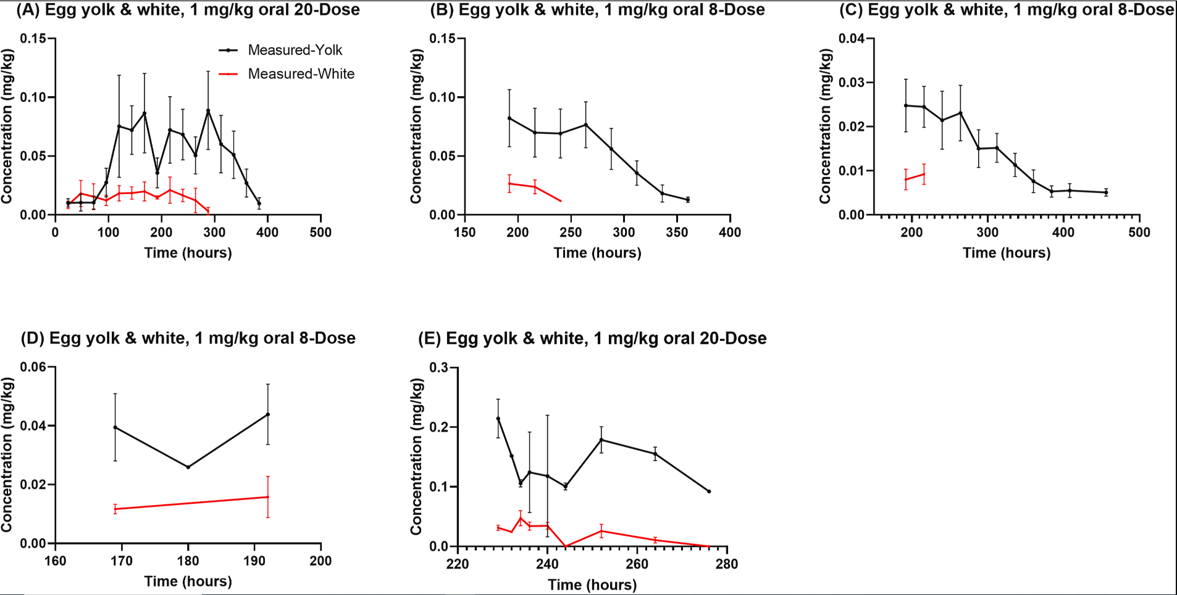
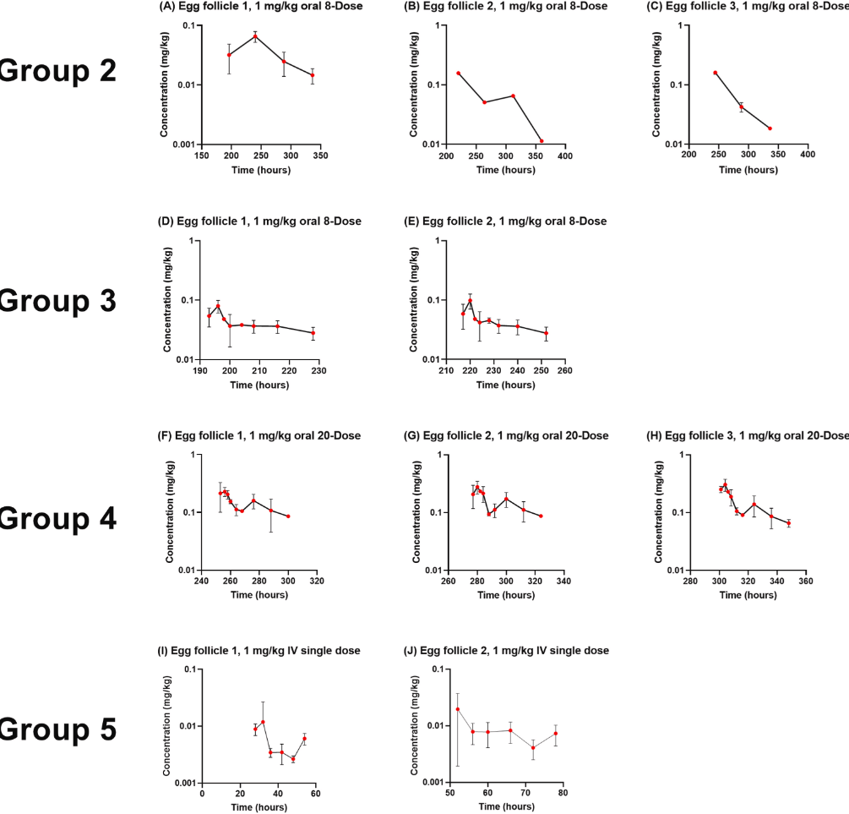
Laying hens | PO | 1 | 20 | female | L, K, M, F, P, O | HPLC | Yuan et al. (2022)Yuan, L., Lin, Z., Baynes, R.E., Davis, J.L., Maunsell, F.P., Riviere, J.E., Tell, L.A., 2022. Residue depletion profiles and withdrawal interval estimations of meloxicam in eggs and ovarian follicles following intravenous (Meloxicam solution for injection) and oral (Meloxidyl®) administration in domestic chickens (Gallus domesticus). Regul. Toxicol. Pharmacol. 132, 105170. | Group 1/4 laying hens were administered 20 consecutive 1 mg/kg oral doses of meloxicam at 12-h intervals and eggs were collected at 24, 48, 72, 96, 120, 144, 168, 192, 216, 240, 264, 288, 312, 336, 360, 384, 408, 432, 456, 480, 504, 528, 552, 576, 600 and 624-h after the first dose. oral doses were administered using meloxicam suspension (Meloxidyl®, 1.5 mg/mL, Ceva Animal Health, Lenexa, KS, USA). In brief, oral dosing syringes were gently placed into the opening of the esophagus slightly to the right and caudal of the glottis. | 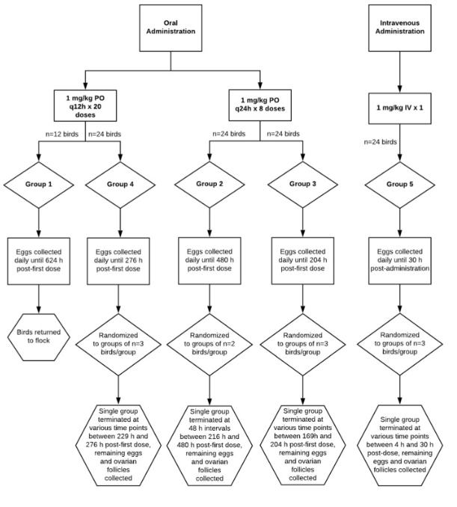
Laying hens | PO | 1 | 8 | female | L, K, M, F, P, O | HPLC | Yuan et al. (2022) | Group 2/3 laying hens were administered 8 consecutive 1 mg/kg oral doses of meloxicam at 24-h intervals, eggs were collected at 24, 48, 72, 96, 120, 144, 168, 192, 216, 240, 264, 288, 312, 336, 360, 384, 408, 432, 456 and 480-h after the first dose, and ovarian follicles (primary, secondary and tertiary) were harvested when the laying hens were terminated at 74-h after the first dose.
Laying hens | IV | 1 | 1 | female | L, K, M, F, P, O | HPLC | Yuan et al. (2022) | Group 5 laying hens were administered a single 1 mg/kg IV bolus dose, eggs were collected at 4, 8, 12, 18, 24 and 30 h post-IV administration, and ovarian follicles (primary and secondary) were harvested 4-h following IV administration. Meloxicam injection solution (Dechra, Overland Park, KS, USA) was administered using 1 mL tuberculin syringes for IV injection

Laying hens | PO | 1 | 10 | female | P,O | HPLC | Souza et al. (2018) Souza, M.J., Bailey, J., White, M., Gordon, K., Gerhardt, L., Cox, S.K., 2018. Pharmacokinetics and egg residues of meloxicam after multiple day oral dosing in domestic chickens. J. Avian Med. Surg. 32, 8–12. | Oral meloxicam was administered every 12 hours for a total of 9 doses; the medication was administered via syringe with an attached metal gavage feeding tube into the crop. A blood sample (0.3 mL) was collected from each hen on day 5 just before administration of the ninth dose. Blood was then collected at 10, 20, and 30 minutes, and at 1, 2, 4, 8, 12, 24, and 48 hours after the ninth dose was administered from a jugular or basilic vein with an insulin syringe and 29-gauge needle. Eggs laid by the hens were collected for 3 weeks starting the first day after meloxicam administration was discontinued. Eggs were kept refrigerated until analyzed. | 